
 |  |  |  | CODE: | PF02216BC-2 ab SN from 98L10
DESCRIPTION:
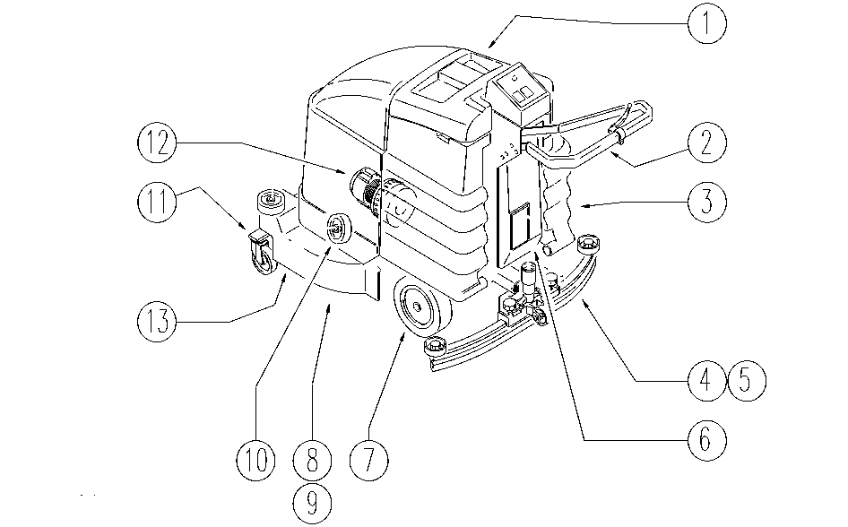

REF. | CODE | DESCRIPTION | QT
1 | PL1195WS | TANK-HOOD
2 | PL1197WS | HANDGRIP UNIT
3 | PL1199K | TANK
4 | PL1009 | SQUEEGEE 800
5 | PL1114 | SQUEEGEE SUPPORT
6 | PL1201 | ELECTRIC UNIT
7 | PL1202WS | FRAME
8 | PL1156 | AXLE-PULLEY
9 | PL1161K | MOTOR
10 | PL1163 | SMALL WHEEL
11 | PL1204BC | SMALL WHEEL
12 | PL1154 | SUCTION
13 | PL1236 | CONVEYOR, DRIVER
13 | PL1278 | BRUSHES ø500
/ | PL1206BC | EXTERNAL PARTS
 | WD27020 | ELEC. WIRING DIAGRAM

